Matplot-seaborn
import matplotlib.pyplot as plt
%matplotlib inline
plt.rcParams['figure.figsize'] = (Display_window_width, Display_window_height)
plt.plot(Plotting_object, kind='chart_name', linestyle='Name_of_line_style_like_dashdot', colour='name_of_colour_of_line_like_g', (or we can write '._:g'), lw=line_width_no, marker='desired_marker_symbol', ms=marker_size_no., mec='marker_cercumference_colour_code', mfc='marker_face_colour_code' , lable='content_to_write_on_legend' )
plt.pie(df2_sale_permonth,labels=list(df2_sale_permonth.index), startangle=90, explode=[.6,0,0,0,.2,0,0,0,0,0,0,0])
DataFrame_obj.plot(kind='bar')
DataFrame_obj.plot(kind="box")
plt.hist(Data_Frame_obj)
plt.xlabel('xlable_name')
plt.ylabel('ylable_name')
plt.title('title_name')
plt.text(x-axis_position_no, y_axis_position_no,'text_name_as_string')
plt.xlim(intitail_x_limit_no, final_x_limit_no)
plt.ylim(intitail_y_limit_no, final_y_limit_no)
plt.grid(True/False)
plt.lagend(bbox_to_anchor=(x,y), facecolor='y', edgecolor='r', fontsize=12)
plt.axhline(y=y_value_for_horizontal_line, colour='colour_name_for_line', linestyle='--')
plt.axvline(x=x_value_for_horizontal_line, colour='colour_name_for_line', linestyle='--')
plt.axline((x_midpoint_of_line, y_mid_point_of_line), slope=Slope_value, color='colour_name_for_line', linestyle='--')
plt.show()
plt.annotate('string_to_mention_at_anotations_tail', xy=(x_axis_value_for_pointer, y_axis_value), xytext=(x_axis_value_for_text, y_axis_value), arrowprops=dict(facecolor='desired_colour_of_arrow', shrink='arrow_thikness_required'))
DataFrame_obj.plot()
plt.subplot(Total_no_of_box_rows, Total_no_of_box_columns, box_no_of_current_plot) (script of ploting after this function will be ploted in that box, untill new subplot is recalled)
plt.suptitle('super_title_name_for_all_subplots')
axes_obj=plt.axes()
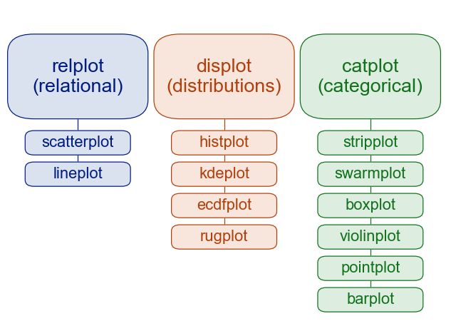
axes_obj.set_facecolor('colour_name or hexa_no or %_no')
axes_obj.set_xlabel('xaxis_name')
axes_obj.set_ylabel('yaxis_name')
axes_obj.set_title('title_name')
axes_obj.legend()
axes_obj.set_xscale('xaxis_scale')
axes_obj.set_yscale('yaxis_scale')
axes_obj.set_xlim(x_initial_value, x_final_value)
axes_obj.set_ylim(y_initial_value, y_final_value)
axes_obj.set_axis_on()
axes_obj.set_axis_off()
axes_obj.set_frame_on()
axes_obj.text(x,y,'text_to_write')
axes_obj.annotate('annotation_name', xy=(x,y), xytext='text_to_write', xytext=(x,y), arrowprops=dict(facecolor='desired_colour_of_arrow', shrink='arrow_thikness_required'))
import seaborn as sns
sns.distplot(Data_Obj, hist=True)
plt.figure(figsize=(10,5))
sns.heatmap(correlation_df_object,vmin=-1, cmap='coolwarm', annot=True)
sns.jointplot(x='column_name1', y='column_name2', data=DataFrame_obj)
sns.scatterplot(data=DataFrame_obj,x='column1',y='column2', hue='sub_division_on_column')
To set the size of output chart in seaborn we should provide height and aspect ratio within plotting function
Use grid spec to make multiple column and stacked output
Use subplot for sharing axis and symetrical charts

